Summary
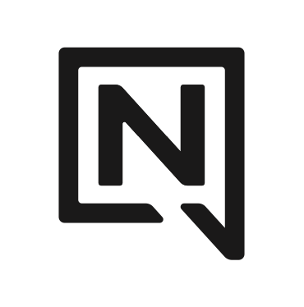
2025-2026 NITRO SNOWBOARDS USA BOOKING PROGRAM

BILL TO : |  |  | P.O # :

 |  |  |  | ORDER DEADLINES :
SHIP TO : |  |  |  | HARDGOODS: JANUARY 24 2025
 |  |  |  | SOFTGOODS: JANUARY 24 2025

ORDER SUMMARY :

SNOWBOARDS | SPLITBOARDS + ACCESSORIES | BINDINGS | BOOTS | LUGGAGE | APPAREL + ACCESSORIES
$0.00 | $0.00 | $0.00 | $0.00 | $0.00 | $0.00

ORDER TOTAL : | $0.00

NOTES :

BOOKING SPECIALS:

FAMILY DISCOUNT REBATE
Additional 2% discount with the minimum purchase of Nitro and L1 bookings
- Nitro Booking minimum of $10, 000
- L1 Booking minimum of $5 000
- Rebate will be issued when on time payment is received
- To qualify all Nitro and L1 orders must follow booking program terms
TALENT PROGRAM
- Talent Binding - book 12 talent bindings for a 10% discount
- must purchase a minimum of 4 colours to qualify
- cannot be combined with any other discounts

FOUNDRY DISTRIBUTION
3602 Via Terra Street, Salt Lake City, Utah 84115
p. 801.994.6484 e. office@foundrydist.com

